My Details-Photo
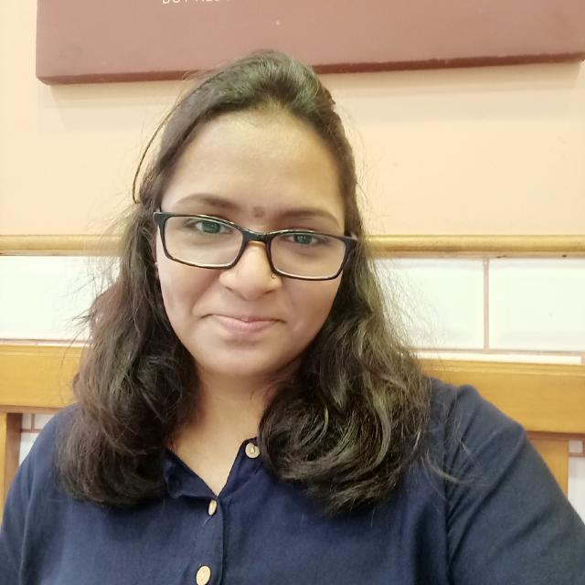
Gauri Maruti Katkar - Aspiring Data Scientist/ ML/AI/Data Engineer

